Intro
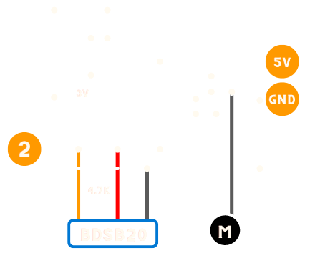
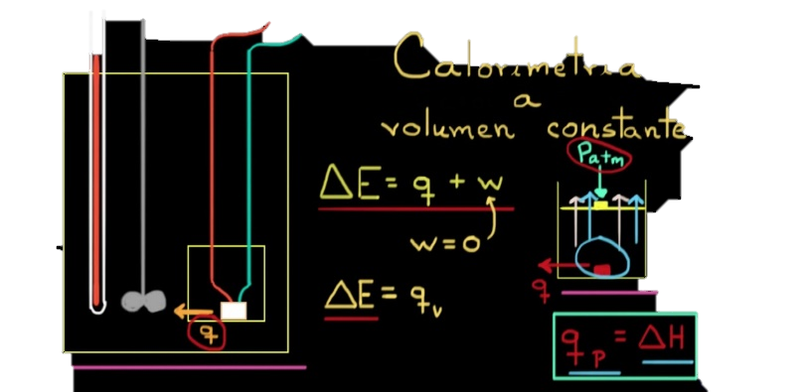

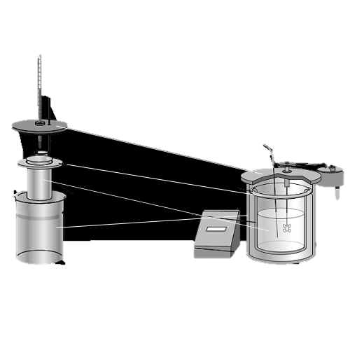

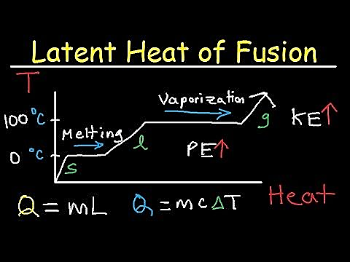
Calorimetro


3° Vanguardistas A (XIX)

Un calorímetro un dispositivo para medir la cantidad de calor liberado o absorbido en cualquier proceso físico, químico o biológico.

Siguiente >

Data In
Datos de temperatura
Se recopilan los datos del sensor DS18B20 por el puerto COM3
Current Data
Time | CH1
5:41:58 | 22.94
Grafica General
 | Datos de temperatura | Datos de temperatura
41:58.2 | 1900-01-22 22:33:36
Historical Data
Time | 0:00:00
13:45.4 | 1900-01-20 10:33:36
13:46.2 | 1900-01-20 10:33:36
13:47.0 | 1900-01-20 10:33:36
13:47.8 | 1900-01-20 10:33:36
13:48.6 | 1900-01-20 10:33:36
13:49.4 | 1900-01-20 10:33:36
13:50.2 | 1900-01-20 10:33:36
13:51.0 | 1900-01-20 10:33:36
13:51.8 | 1900-01-20 10:33:36
13:52.6 | 1900-01-20 09:07:12
13:53.4 | 1900-01-20 10:33:36
13:54.2 | 1900-01-20 10:33:36
13:55.0 | 1900-01-20 10:33:36
13:55.8 | 1900-01-20 10:33:36
13:56.6 | 1900-01-20 10:33:36
Grafica Detallada
Historical Data
Time | CH1
6:13:45 | 20.44
6:13:46 | 20.44
6:13:47 | 20.44
6:13:48 | 20.44
6:13:49 | 20.44
6:13:49 | 20.44
6:13:50 | 20.44
6:13:51 | 20.44
6:13:52 | 20.44
6:13:53 | 20.38
6:13:53 | 20.44
6:13:54 | 20.44
6:13:55 | 20.44
6:13:56 | 20.44
6:13:57 | 20.44 | < Anterior | Siguiente >

Settings
Workbook Settings
Settings below will affect how data is read into the current workbook from data sources. Clear a field's contents to revert to its default setting.

Data interval (ms): | 150

Data rows: | 15

Data channels: | 10

Data orientation: | Newest last

WARNING: Changing settings may result in the loss of content and/or custom formatting in the Data In and Data Out worksheets. Always save before changing values.

Siguiente >
< Anterior

